USB2513 XTAL
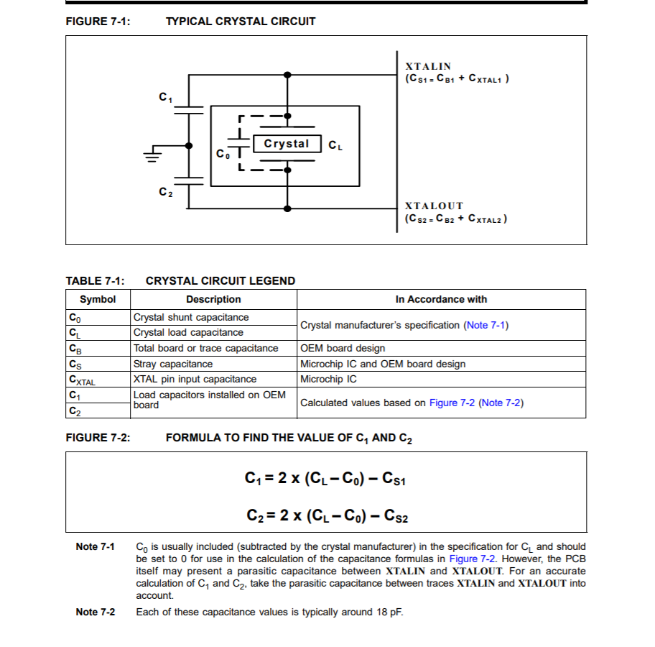
C0 | 3.5 | pF
CL | 10 | pF
CB |  | pF
CS1 | 0 | pF
CS2 | 0 | pF
CXTAL |  | pF
C1 | 13 | pF
C2 | 13 | pF

